ADC
 |  | Measurement | ADC Reading | Factor | Note
ADC CH0 | Remote Lamp Current
ADC CH1 | Local Lamp Current
ADC CH2 | Top Battery Teaperature
ADC CH3 | Bottom Battery Teaperature
ADC CH4 | Battery Voltage

CH0 - Remote Lamp Current |  |  |  |  |  | CH1 - Local Lamp Current
 | Measurement(mA) | ADC Reading | Factor | Note |  |  | Measurement(mA) | ADC Reading | Factor | Note
8W |  |  |  |  |  | 8W
16W |  |  |  |  |  | 16W
32W |  |  |  |  |  | 32W
64W |  |  |  |  |  | 64W

CH2 - Top Battery Teamperature |  |  |  |  |  | CH3 - Top Battery Teamperature
-- °C | Measurement( °C) | ADC Reading | Factor | Note |  | -- °C | Measurement( °C) | ADC Reading | Factor | Note
40 |  |  |  |  |  | 100 |  | 341
35 |  |  |  |  |  | 80 |  | 580
30 |  |  |  |  |  | 60 |  | 962
25 |  | 4080 |  |  |  | 50 |  | 1446
20 |  |  |  |  |  | 40 |  | 1500
15 |  |  |  |  |  | 20 |  | 2250
10 |  |  |  |  |  | 10
5 |  |  |  |  |  | 5 | 5 | 2870
0 |  |  |  |  |  | 0 | 0 | 2968
-5 |  |  |  |  |  | -5
-10 |  |  |  |  |  | -10
-15 |  |  |  |  |  | -15
-20 |  |  |  |  |  | -20
-25 |  |  |  |  |  | -25
-30 |  |  |  |  |  | -30

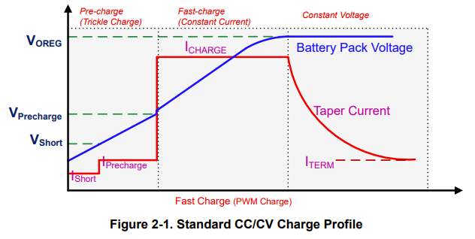
CH4 - Battery Voltage
 | Measurement(mV) | ADC Reading | Factor | Note

 | 9880 | 3231 | 3.0578768183
 | 8668 | 2840 | 3.0521126761
 | 9650 | 3160 | 3.0537974684
V_charge | 10950 | 3569 | 3.0680862987 | charge target voltage
V_recharge | 10350 | 3372 | 3.0693950178 | recharge threthold
V_lowv | 6000 | 1949 | 3.0785017958 | precharge threthold
V_short | 3600 | 1169 | 3.0795551754 | dead battery threthold
 |  |  | 3.0738845719

 |  |  |  |  |  | Voreg: | 3.65V*3 | Icharge: | 0.3C
 |  |  |  |  |  | Vprecharge | 2.0V*3 | Iprecharge: | Icharge/10
 |  |  |  |  |  | Vshort: | 1.2V*3 | Iterm: | Icharge/10
 |  |  |  |  |  | Vrecharge: | 3.45V*3

